INfogrphics
Infographics

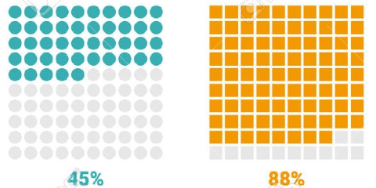

Example
Examples

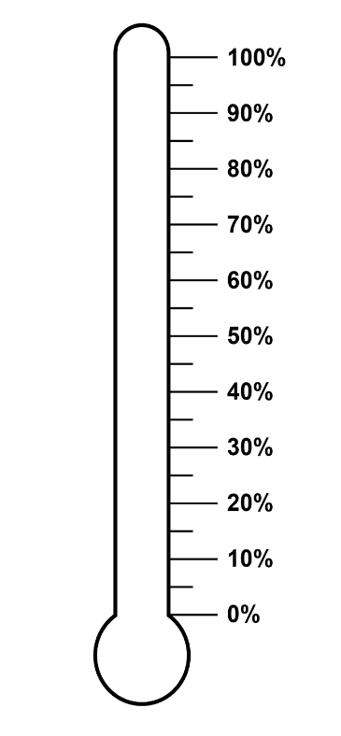
 | 66%
Voted hot | Voted cold | Percentage
80 | 20 | 60%

Number of Likes | Remaining | Percentage
7543 | 3456 | 69%

20%

Practice
Charity

Donations | Target | Percentage
100,000.00 | 100,000.00 | 66%

 |  |  | 66%

