Demo
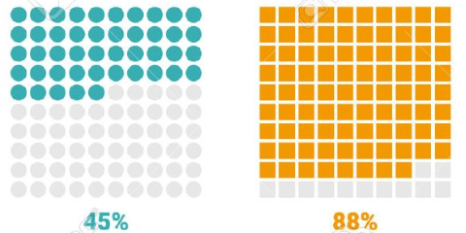
EXAMPLES

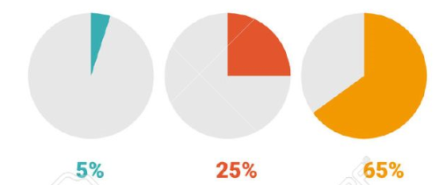
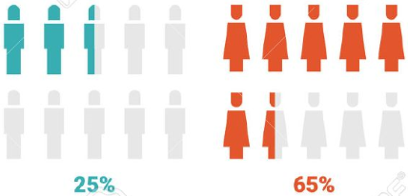

Sheet1
Percentage value
15%

x | y |  | x-fill | y-fill | x-blank | y-blank
1 | 1 | 1% | 1 | 1 | #N/A | #N/A
2 | 1 | 2% | 2 | 1 | #N/A | #N/A
3 | 1 | 3% | 3 | 1 | #N/A | #N/A
4 | 1 | 4% | 4 | 1 | #N/A | #N/A
5 | 1 | 5% | 5 | 1 | #N/A | #N/A
6 | 1 | 6% | 6 | 1 | #N/A | #N/A
7 | 1 | 7% | 7 | 1 | #N/A | #N/A
8 | 1 | 8% | 8 | 1 | #N/A | #N/A
9 | 1 | 9% | 9 | 1 | #N/A | #N/A
10 | 1 | 10% | 10 | 1 | #N/A | #N/A
1 | 2 | 11% | 1 | 2 | #N/A | #N/A
2 | 2 | 12% | 2 | 2 | #N/A | #N/A
3 | 2 | 13% | 3 | 2 | #N/A | #N/A
4 | 2 | 14% | 4 | 2 | #N/A | #N/A
5 | 2 | 15% | 5 | 2 | #N/A | #N/A
6 | 2 | 16% | #N/A | #N/A | 6 | 2
7 | 2 | 17% | #N/A | #N/A | 7 | 2
8 | 2 | 18% | #N/A | #N/A | 8 | 2
9 | 2 | 19% | #N/A | #N/A | 9 | 2
10 | 2 | 20% | #N/A | #N/A | 10 | 2
1 | 3 | 21% | #N/A | #N/A | 1 | 3
2 | 3 | 22% | #N/A | #N/A | 2 | 3
3 | 3 | 23% | #N/A | #N/A | 3 | 3
4 | 3 | 24% | #N/A | #N/A | 4 | 3
5 | 3 | 25% | #N/A | #N/A | 5 | 3
6 | 3 | 26% | #N/A | #N/A | 6 | 3
7 | 3 | 27% | #N/A | #N/A | 7 | 3
8 | 3 | 28% | #N/A | #N/A | 8 | 3
9 | 3 | 29% | #N/A | #N/A | 9 | 3
10 | 3 | 30% | #N/A | #N/A | 10 | 3
1 | 4 | 31% | #N/A | #N/A | 1 | 4
2 | 4 | 32% | #N/A | #N/A | 2 | 4
3 | 4 | 33% | #N/A | #N/A | 3 | 4
4 | 4 | 34% | #N/A | #N/A | 4 | 4
5 | 4 | 35% | #N/A | #N/A | 5 | 4
6 | 4 | 36% | #N/A | #N/A | 6 | 4
7 | 4 | 37% | #N/A | #N/A | 7 | 4
8 | 4 | 38% | #N/A | #N/A | 8 | 4
9 | 4 | 39% | #N/A | #N/A | 9 | 4
10 | 4 | 40% | #N/A | #N/A | 10 | 4
1 | 5 | 41% | #N/A | #N/A | 1 | 5
2 | 5 | 42% | #N/A | #N/A | 2 | 5
3 | 5 | 43% | #N/A | #N/A | 3 | 5
4 | 5 | 44% | #N/A | #N/A | 4 | 5
5 | 5 | 45% | #N/A | #N/A | 5 | 5
6 | 5 | 46% | #N/A | #N/A | 6 | 5
7 | 5 | 47% | #N/A | #N/A | 7 | 5
8 | 5 | 48% | #N/A | #N/A | 8 | 5
9 | 5 | 49% | #N/A | #N/A | 9 | 5
10 | 5 | 50% | #N/A | #N/A | 10 | 5
1 | 6 | 51% | #N/A | #N/A | 1 | 6
2 | 6 | 52% | #N/A | #N/A | 2 | 6
3 | 6 | 53% | #N/A | #N/A | 3 | 6
4 | 6 | 54% | #N/A | #N/A | 4 | 6
5 | 6 | 55% | #N/A | #N/A | 5 | 6
6 | 6 | 56% | #N/A | #N/A | 6 | 6
7 | 6 | 57% | #N/A | #N/A | 7 | 6
8 | 6 | 58% | #N/A | #N/A | 8 | 6
9 | 6 | 59% | #N/A | #N/A | 9 | 6
10 | 6 | 60% | #N/A | #N/A | 10 | 6
1 | 7 | 61% | #N/A | #N/A | 1 | 7
2 | 7 | 62% | #N/A | #N/A | 2 | 7
3 | 7 | 63% | #N/A | #N/A | 3 | 7
4 | 7 | 64% | #N/A | #N/A | 4 | 7
5 | 7 | 65% | #N/A | #N/A | 5 | 7
6 | 7 | 66% | #N/A | #N/A | 6 | 7
7 | 7 | 67% | #N/A | #N/A | 7 | 7
8 | 7 | 68% | #N/A | #N/A | 8 | 7
9 | 7 | 69% | #N/A | #N/A | 9 | 7
10 | 7 | 70% | #N/A | #N/A | 10 | 7
1 | 8 | 71% | #N/A | #N/A | 1 | 8
2 | 8 | 72% | #N/A | #N/A | 2 | 8
3 | 8 | 73% | #N/A | #N/A | 3 | 8
4 | 8 | 74% | #N/A | #N/A | 4 | 8
5 | 8 | 75% | #N/A | #N/A | 5 | 8
6 | 8 | 76% | #N/A | #N/A | 6 | 8
7 | 8 | 77% | #N/A | #N/A | 7 | 8
8 | 8 | 78% | #N/A | #N/A | 8 | 8
9 | 8 | 79% | #N/A | #N/A | 9 | 8
10 | 8 | 80% | #N/A | #N/A | 10 | 8
1 | 9 | 81% | #N/A | #N/A | 1 | 9
2 | 9 | 82% | #N/A | #N/A | 2 | 9
3 | 9 | 83% | #N/A | #N/A | 3 | 9
4 | 9 | 84% | #N/A | #N/A | 4 | 9
5 | 9 | 85% | #N/A | #N/A | 5 | 9
6 | 9 | 86% | #N/A | #N/A | 6 | 9
7 | 9 | 87% | #N/A | #N/A | 7 | 9
8 | 9 | 88% | #N/A | #N/A | 8 | 9
9 | 9 | 89% | #N/A | #N/A | 9 | 9
10 | 9 | 90% | #N/A | #N/A | 10 | 9
1 | 10 | 91% | #N/A | #N/A | 1 | 10
2 | 10 | 92% | #N/A | #N/A | 2 | 10
3 | 10 | 93% | #N/A | #N/A | 3 | 10
4 | 10 | 94% | #N/A | #N/A | 4 | 10
5 | 10 | 95% | #N/A | #N/A | 5 | 10
6 | 10 | 96% | #N/A | #N/A | 6 | 10
7 | 10 | 97% | #N/A | #N/A | 7 | 10
8 | 10 | 98% | #N/A | #N/A | 8 | 10
9 | 10 | 99% | #N/A | #N/A | 9 | 10
10 | 10 | 100% | #N/A | #N/A | 10 | 10

